Module 5
Main
 | Module 5: Acceptance and contu

 | Risk assesment and client management throughout | acceptance
 |  | pplanning
 |  | systems and controls
 |  | substantive tesintg | <<<year end typically before substantive tresting
 |  | completion
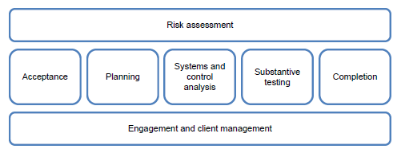
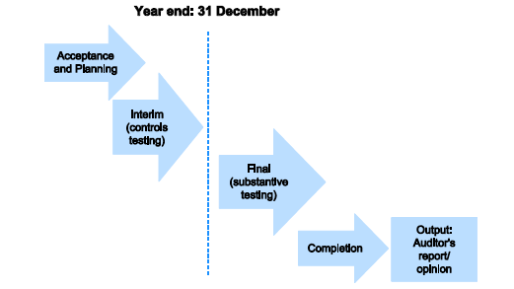

 | BAILMAN
 | B | basis for performance
 | A | auditor previous - last year's autditors
 | I | ID procedures - directors, partners etc
 | L | Legal and financial stability - any litigation with the client we need to be aware of - will we get paid
 | M | Management's integrity - nature of the business and their operations. Are they limiting the scope of the audit. Any ML history. Are they too concerend with low fees.
 | A | Ability to audit - do we have the resources and expertise to allow us to successfully carry out the audit. Limtiations and independence
 | N | Nature and users. Size of the client. Timetable of sign off. Changes to the entity or the invironment. Users of the financial accounts. Capital structure. Any special reporting.

 | Activity 3
 | Users
 | The bank - company is losing money and is on paper insolvent

 | Legal and Financial stability
 | loss making and on paper insolvent - can they pay us
 | concerns about Afirca operation - illegal employment practices

 | Integrity of management
 | publicly blamed auditor for failings which should be the responsibility of the directors
 | unethical and negligent. Question whether they are aware of their responsibilities as company directors

 | Communicating with existing auditor
 | Prior auditor resigned. Statutory requirement to formally contact them to find out why they resigned and get a handover file.

 | ability to audit
 | Subs in Afirca - can we resource this. This appears to be a high risk area.

 | client identification procedures
 | we do not know who owns the compnay
 | also not know about the people running the african subsidiaries

 | basis for performance
 | directors do not know their responsiblities and have made this public.
 | we would need to clearly state this and have agreement per our audit engagement letter.

 | Engagement letter

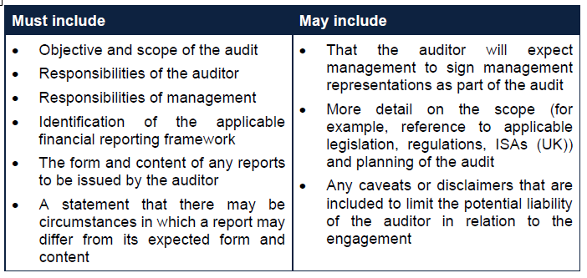

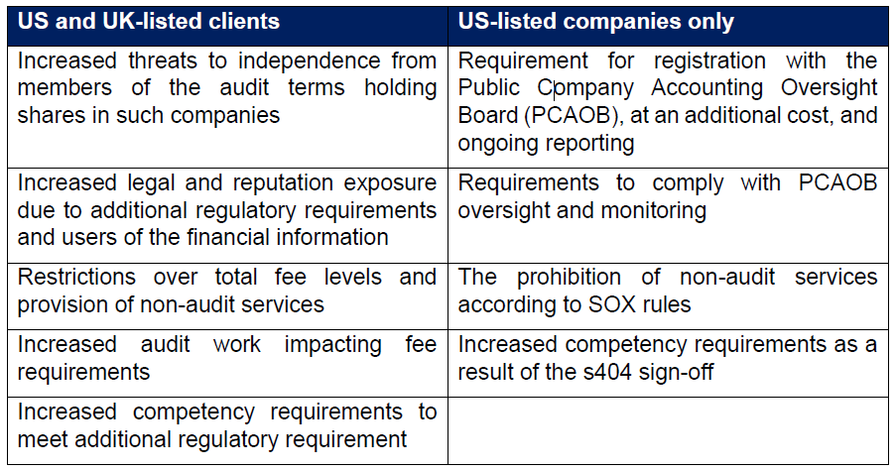

 | Acitivity 4
 | Analyse the requirement FACT (0.5 mark) and IMPACT (1 mark)
 | Consider the marks available
 | closely read the scenario
 | write the answer

 | BAILMAN

 | Ethical concerns - public concern
 | making losses - financial risk to us
 | publicly known company and making losses - reputational risk to us
 | why did prior auditors resign
 | listed company so increased reporting requirements
 | biotech - do we understand sector and laws
 | non-audit service - self review threat
 | contingent fees - per FRC standard, cannot accept an audit on a contingent basis. If this doesn't change we must decline the audit.
 | would the fee be more than 10% of our revenue
 | client identification - KYCAML

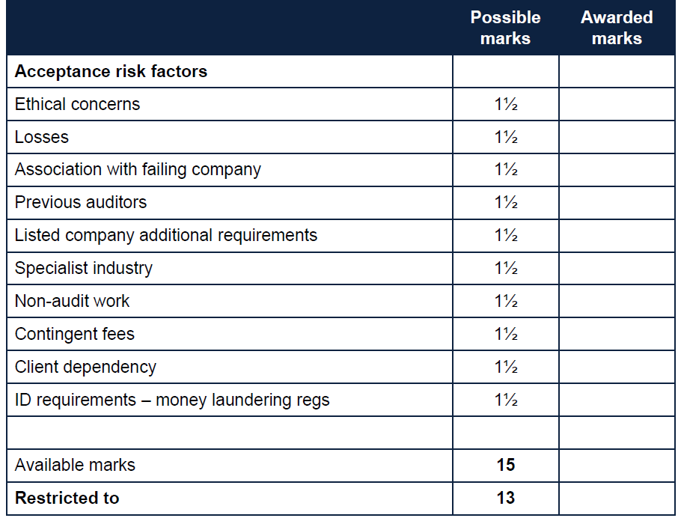

 | Acceptance risk factors
 | Ethical concerns
 | Losses
 | Association with failing company
 | Previous auditors
 | Listed company additional requirements
 | Specialist industry
 | Non-audit work
 | contengent fees
 | client dependency
 | ID requirements - money laundering regs
 | Independence
 | Ability to audit
 | legal and financial stability
 | nature of entity and managements

